Week 17 Stats
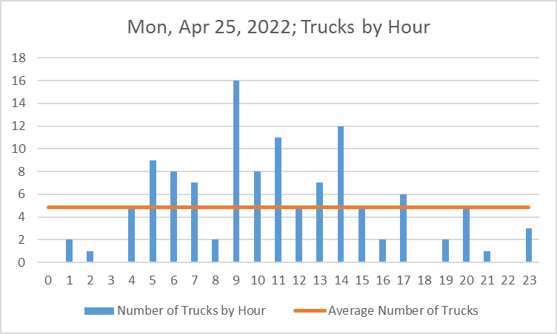
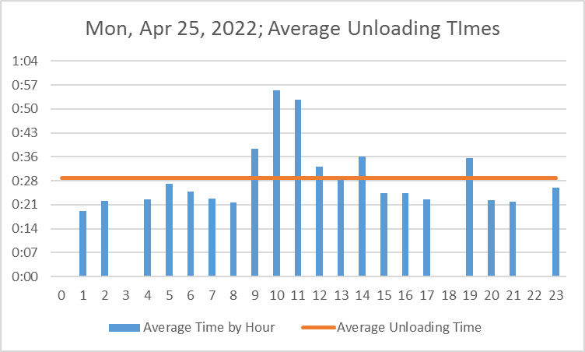
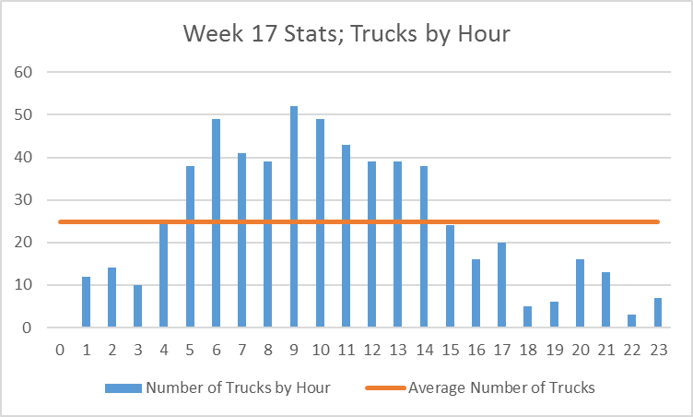
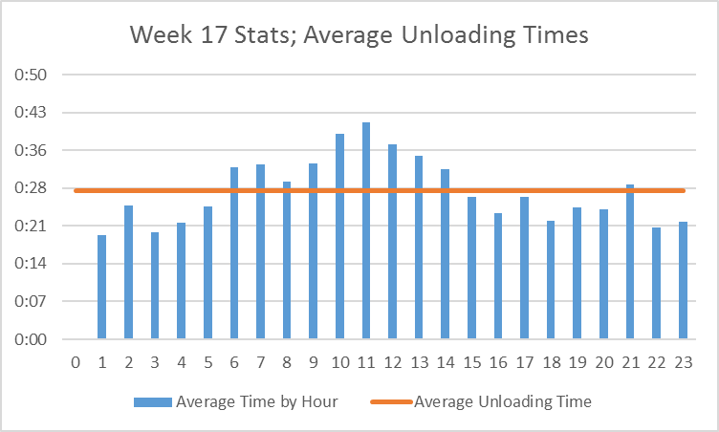

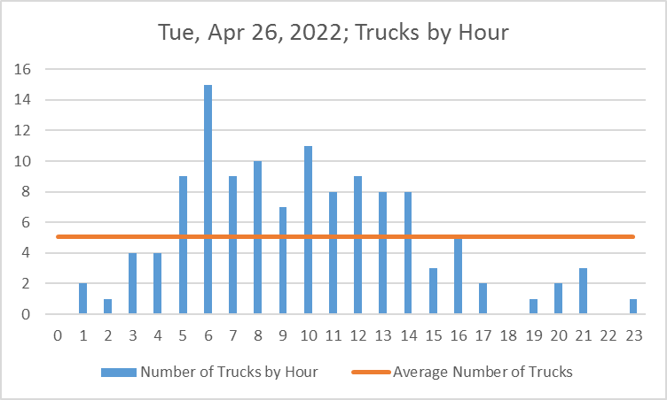
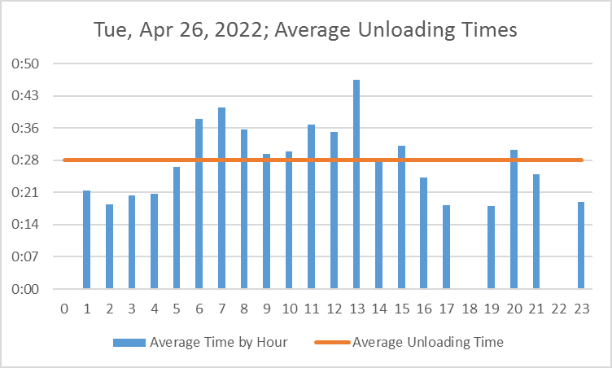
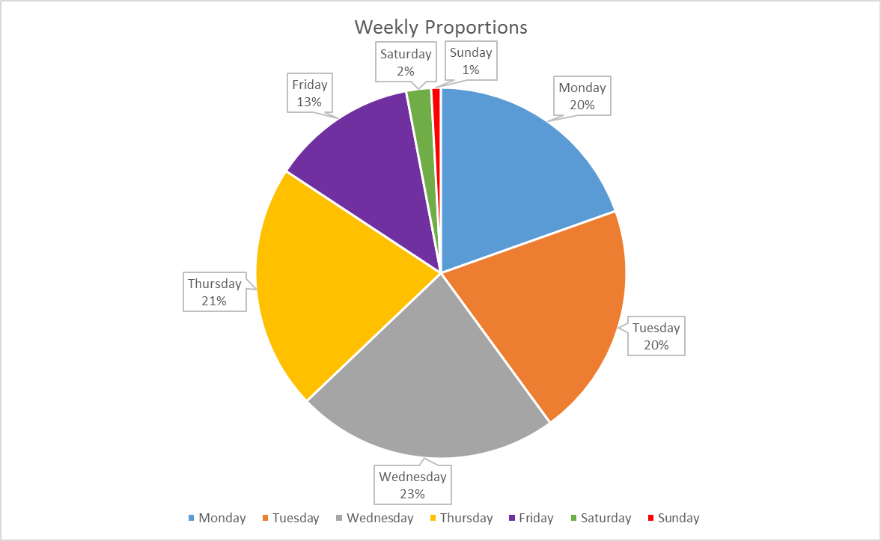

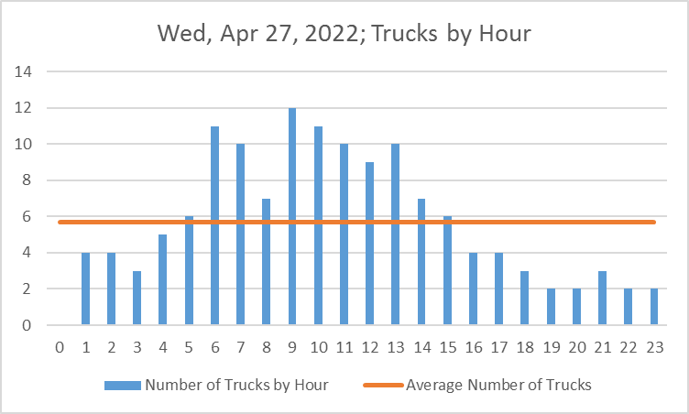
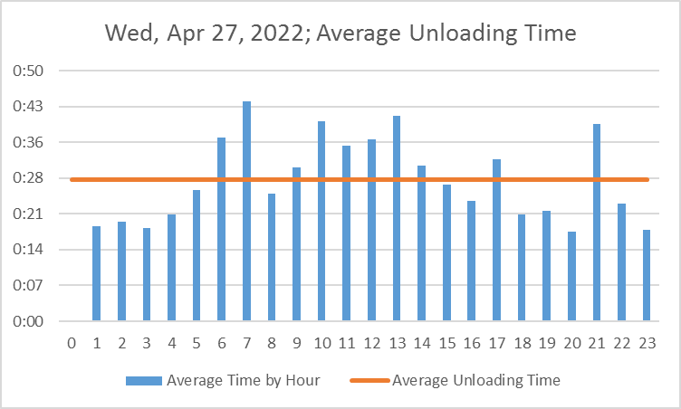

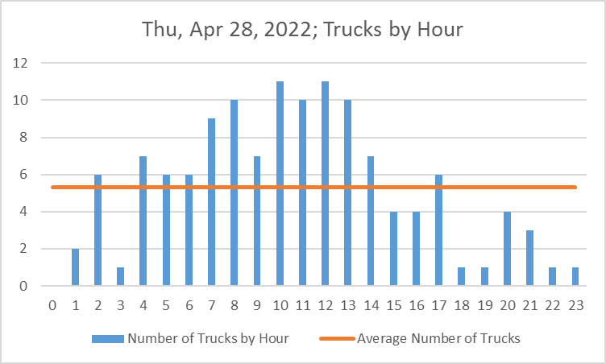
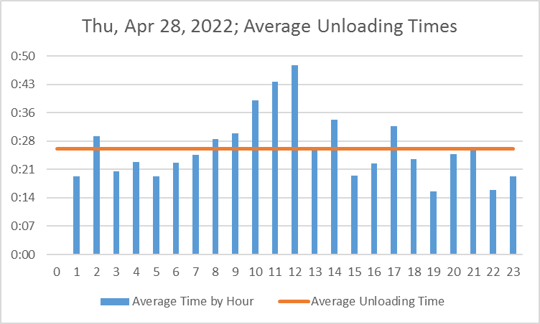

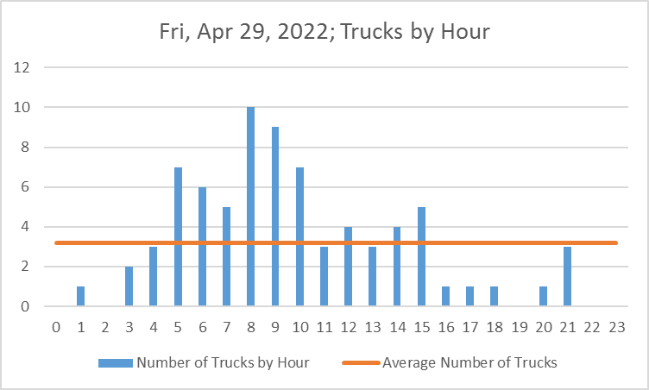
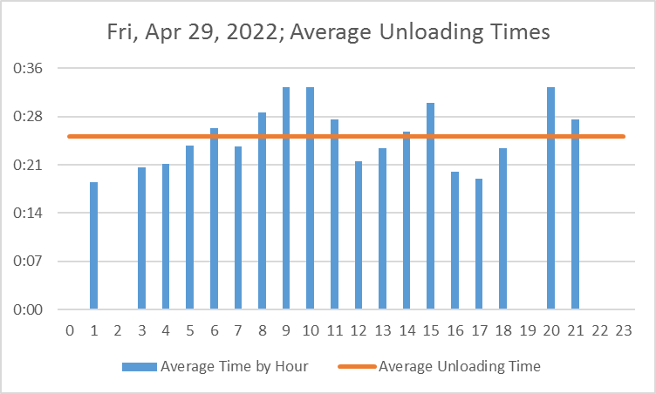

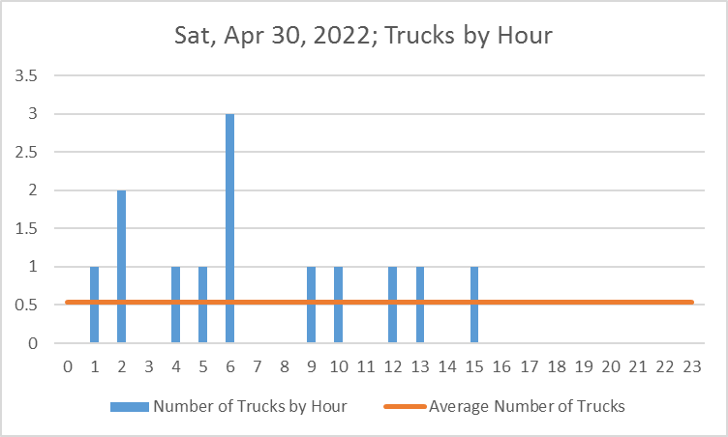
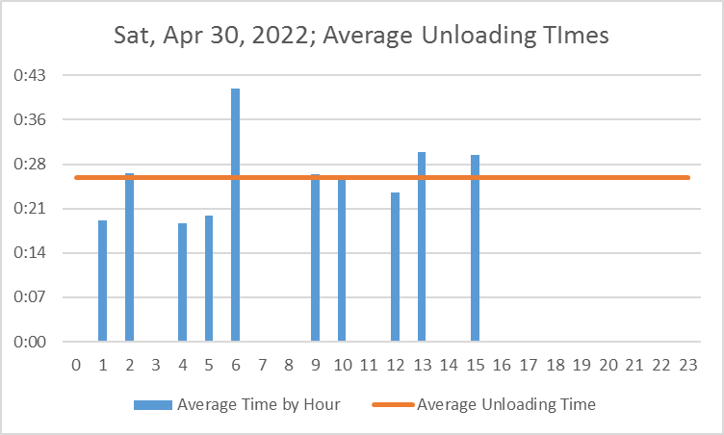

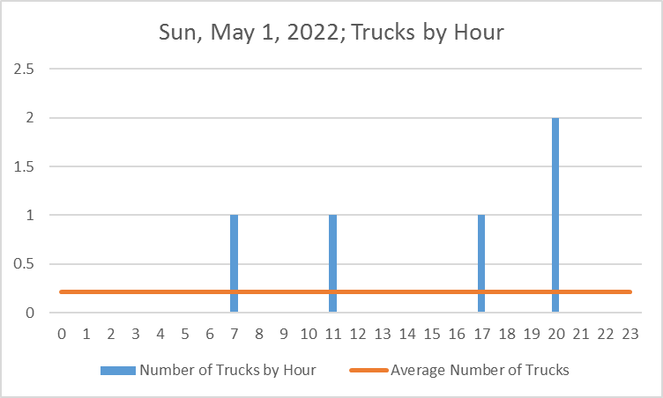
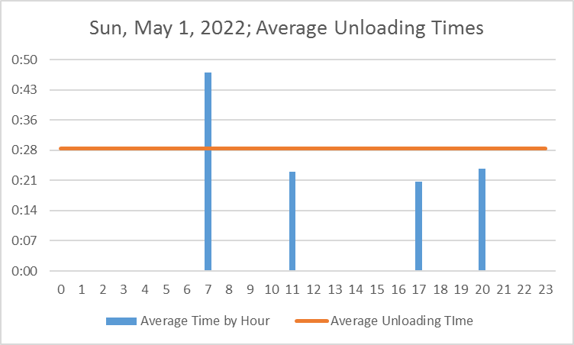

Week 16 Stats
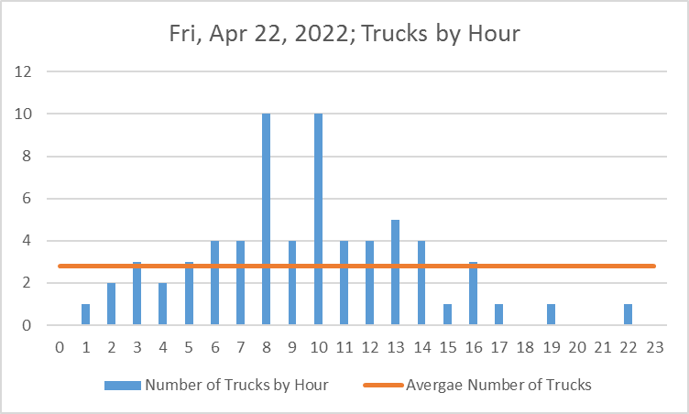
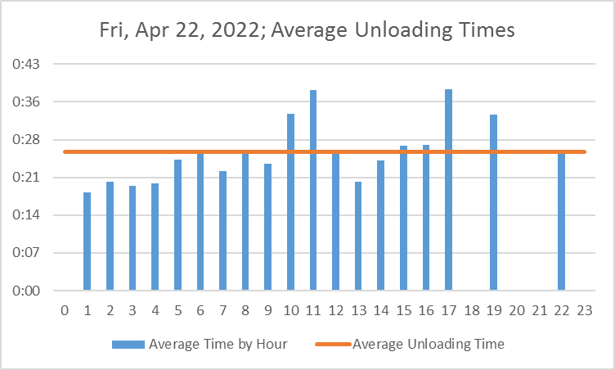
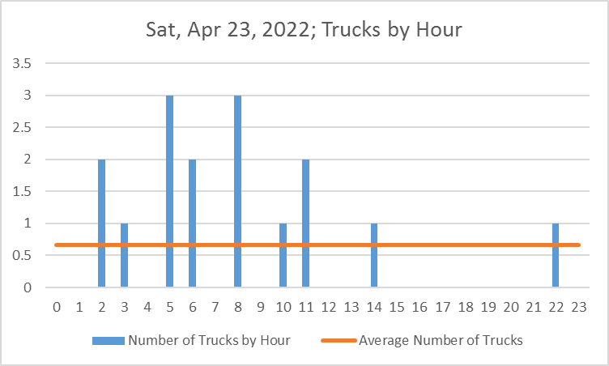
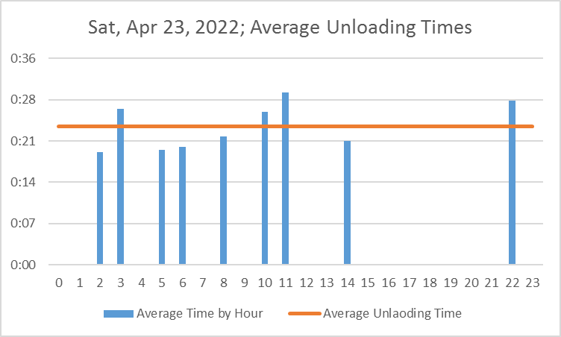
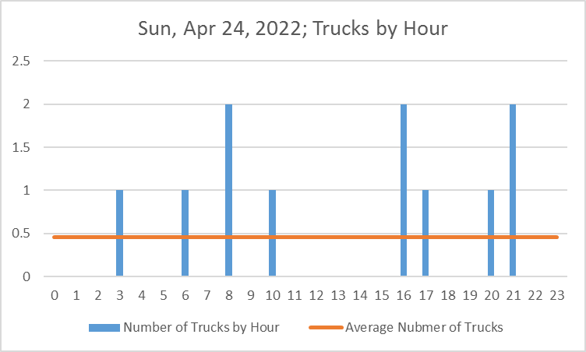
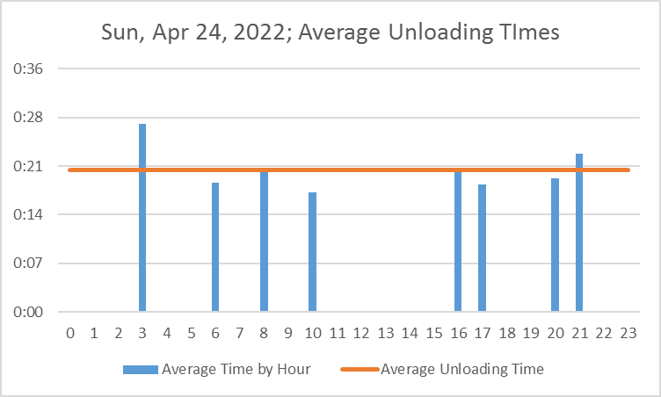
Mon, Apr 18, 2022; Trucks by Hour
 | Number of Trucks by Hour | Average Nubmer of Trucks
0 | 0 | 4.1666666667
1 | 0 | 4.1666666667
2 | 0 | 4.1666666667
3 | 1 | 4.1666666667
4 | 4 | 4.1666666667
5 | 4 | 4.1666666667
6 | 2 | 4.1666666667
7 | 13 | 4.1666666667
8 | 7 | 4.1666666667
9 | 7 | 4.1666666667
10 | 6 | 4.1666666667
11 | 9 | 4.1666666667
12 | 12 | 4.1666666667
13 | 8 | 4.1666666667
14 | 2 | 4.1666666667
15 | 10 | 4.1666666667
16 | 3 | 4.1666666667
17 | 3 | 4.1666666667
18 | 3 | 4.1666666667
19 | 2 | 4.1666666667
20 | 0 | 4.1666666667
21 | 3 | 4.1666666667
22 | 1 | 4.1666666667
23 | 0 | 4.1666666667
Mon, Apr 18, 2022; Average Unloading Times
 | Average Time by Hour | Average Unloading TIme
0 | 0 | 0.018898493284
1 | 0 | 0.018898493284
2 | 0 | 0.018898493284
3 | 0.013287037037 | 0.018898493284
4 | 0.014736689815 | 0.018898493284
5 | 0.015376157407 | 0.018898493284
6 | 0.017465277778 | 0.018898493284
7 | 0.019555733618 | 0.018898493284
8 | 0.031653439153 | 0.018898493284
9 | 0.020072751323 | 0.018898493284
10 | 0.017164351852 | 0.018898493284
11 | 0.017719907407 | 0.018898493284
12 | 0.02380304784 | 0.018898493284
13 | 0.020872395833 | 0.018898493284
14 | 0.016203703704 | 0.018898493284
15 | 0.018851851852 | 0.018898493284
16 | 0.017677469136 | 0.018898493284
17 | 0.018985339506 | 0.018898493284
18 | 0.018047839506 | 0.018898493284
19 | 0.01583912037 | 0.018898493284
20 | 0 | 0.018898493284
21 | 0.013993055556 | 0.018898493284
22 | 0.027766203704 | 0.018898493284
23 | 0 | 0.018898493284
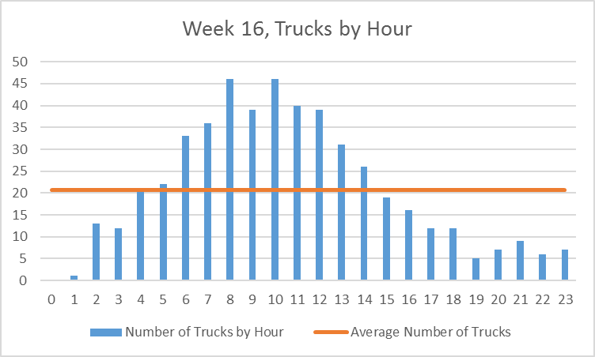
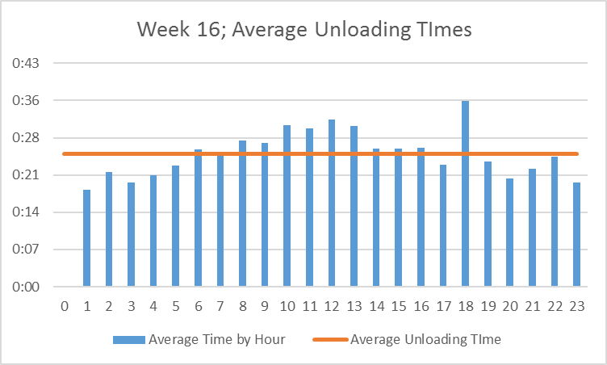

Tue, Apr 19, 2022; Trucks by Hour
 | Number of Trucks by Hour | Average Number of Trucks
0 | 0 | 3.9166666667
1 | 0 | 3.9166666667
2 | 2 | 3.9166666667
3 | 1 | 3.9166666667
4 | 4 | 3.9166666667
5 | 3 | 3.9166666667
6 | 11 | 3.9166666667
7 | 5 | 3.9166666667
8 | 7 | 3.9166666667
9 | 12 | 3.9166666667
10 | 8 | 3.9166666667
11 | 7 | 3.9166666667
12 | 6 | 3.9166666667
13 | 7 | 3.9166666667
14 | 6 | 3.9166666667
15 | 2 | 3.9166666667
16 | 2 | 3.9166666667
17 | 2 | 3.9166666667
18 | 2 | 3.9166666667
19 | 0 | 3.9166666667
20 | 2 | 3.9166666667
21 | 0 | 3.9166666667
22 | 1 | 3.9166666667
23 | 4 | 3.9166666667
Tue, Apr 19, 2022; Average Unloading TImes
 | Average Time by Hour | Average Unloading Time
 | 0 | 0.016550084363
 | 0 | 0.016550084363
 | 0.015949074074 | 0.016550084363
 | 0.011412037037 | 0.016550084363
 | 0.014467592593 | 0.016550084363
 | 0.014189814815 | 0.016550084363
 | 0.019830597643 | 0.016550084363
 | 0.013706018519 | 0.016550084363
 | 0.017777777778 | 0.016550084363
 | 0.020258487654 | 0.016550084363
 | 0.020577256944 | 0.016550084363
 | 0.021951058201 | 0.016550084363
 | 0.014899691358 | 0.016550084363
 | 0.019482473545 | 0.016550084363
 | 0.021201774691 | 0.016550084363
 | 0.013350694444 | 0.016550084363
 | 0.019322916667 | 0.016550084363
 | 0.013530092593 | 0.016550084363
 | 0.017268518519 | 0.016550084363
 | 0 | 0.016550084363
 | 0.013761574074 | 0.016550084363
 | 0 | 0.016550084363
 | 0.01306712963 | 0.016550084363
 | 0.014997106481 | 0.016550084363
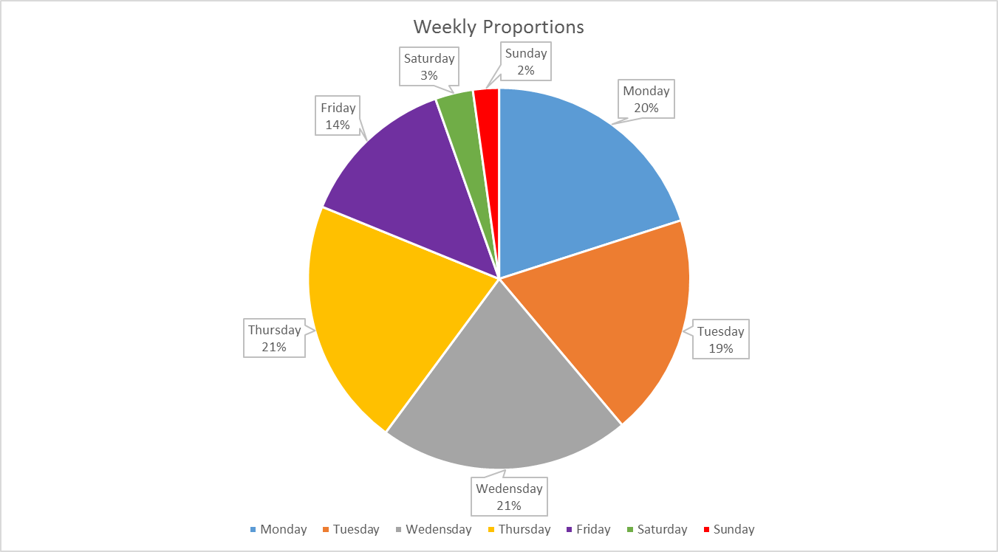

Wed, Apr 20, 2022; Average Unloading TImes
 | Average Time by Hour | Average Unloading TIme
 | 0 | 0.017525777576
 | 0 | 0.017525777576
 | 0.016064814815 | 0.017525777576
 | 0.012447916667 | 0.017525777576
 | 0.014465277778 | 0.017525777576
 | 0.019697145062 | 0.017525777576
 | 0.016465277778 | 0.017525777576
 | 0.019067644033 | 0.017525777576
 | 0.015724826389 | 0.017525777576
 | 0.019465020576 | 0.017525777576
 | 0.027737268519 | 0.017525777576
 | 0.024277263374 | 0.017525777576
 | 0.018560185185 | 0.017525777576
 | 0.020502645503 | 0.017525777576
 | 0.018078703704 | 0.017525777576
 | 0.017291666667 | 0.017525777576
 | 0.017534722222 | 0.017525777576
 | 0.014371141975 | 0.017525777576
 | 0.028746141975 | 0.017525777576
 | 0.011342592593 | 0.017525777576
 | 0.013229166667 | 0.017525777576
 | 0.016516203704 | 0.017525777576
 | 0.010972222222 | 0.017525777576
 | 0.013009259259 | 0.017525777576
Wed, Apr 20, 2022; Trucks by Hour
 | Number of Trucks by Hour | Average Number of Trucks
0 | 0 | 4.4166666667
1 | 0 | 4.4166666667
2 | 3 | 4.4166666667
3 | 4 | 4.4166666667
4 | 5 | 4.4166666667
5 | 6 | 4.4166666667
6 | 5 | 4.4166666667
7 | 9 | 4.4166666667
8 | 8 | 4.4166666667
9 | 9 | 4.4166666667
10 | 12 | 4.4166666667
11 | 9 | 4.4166666667
12 | 5 | 4.4166666667
13 | 7 | 4.4166666667
14 | 7 | 4.4166666667
15 | 2 | 4.4166666667
16 | 1 | 4.4166666667
17 | 3 | 4.4166666667
18 | 3 | 4.4166666667
19 | 1 | 4.4166666667
20 | 2 | 4.4166666667
21 | 2 | 4.4166666667
22 | 1 | 4.4166666667
23 | 2 | 4.4166666667

Thu, Apr 21, 2022; Trucks by Hour
 | Number of Trucks by Hour | Average Number of Trucks
0 | 0 | 4.375
1 | 0 | 4.375
2 | 4 | 4.375
3 | 1 | 4.375
4 | 6 | 4.375
5 | 3 | 4.375
6 | 8 | 4.375
7 | 5 | 4.375
8 | 9 | 4.375
9 | 7 | 4.375
10 | 8 | 4.375
11 | 9 | 4.375
12 | 12 | 4.375
13 | 4 | 4.375
14 | 6 | 4.375
15 | 4 | 4.375
16 | 5 | 4.375
17 | 2 | 4.375
18 | 5 | 4.375
19 | 1 | 4.375
20 | 2 | 4.375
21 | 2 | 4.375
22 | 1 | 4.375
23 | 1 | 4.375
Thu, Apr 21, 2022; Average Unloading Times
 | Average Time by Hour | Average Unloading TIme
 | 0 | 0.020748640297
 | 0 | 0.020748640297
 | 0.015830439815 | 0.020748640297
 | 0.013125 | 0.020748640297
 | 0.016132330247 | 0.020748640297
 | 0.014112654321 | 0.020748640297
 | 0.0197265625 | 0.020748640297
 | 0.014578703704 | 0.020748640297
 | 0.018685699588 | 0.020748640297
 | 0.017938161376 | 0.020748640297
 | 0.016744791667 | 0.020748640297
 | 0.019011059671 | 0.020748640297
 | 0.027885802469 | 0.020748640297
 | 0.03732349537 | 0.020748640297
 | 0.018597608025 | 0.020748640297
 | 0.020925925926 | 0.020748640297
 | 0.020460648148 | 0.020748640297
 | 0.014623842593 | 0.020748640297
 | 0.072162037037 | 0.020748640297
 | 0.01755787037 | 0.020748640297
 | 0.017042824074 | 0.020748640297
 | 0.017731481481 | 0.020748640297
 | 0.014548611111 | 0.020748640297
 | 0.011724537037 | 0.020748640297

Week 15 Stats
Mon, Apr 11, 2022; Trucks by Hour
 | Number of Trucks by Hour | Average Number of Trucks
0 | 0 | 4.5
1 | 1 | 4.5
2 | 3 | 4.5
3 | 2 | 4.5
4 | 10 | 4.5
5 | 4 | 4.5
6 | 3 | 4.5
7 | 5 | 4.5
8 | 12 | 4.5
9 | 9 | 4.5
10 | 6 | 4.5
11 | 5 | 4.5
12 | 10 | 4.5
13 | 11 | 4.5
14 | 4 | 4.5
15 | 8 | 4.5
16 | 5 | 4.5
17 | 2 | 4.5
18 | 1 | 4.5
19 | 1 | 4.5
20 | 3 | 4.5
21 | 2 | 4.5
22 | 0 | 4.5
23 | 1 | 4.5
Mon, Apr 11, 2022; Average Unloading Times
 | Average Time by Hour | Average Unloading Time
0 | 0 | 0.018878659677
1 | 0.014050925926 | 0.018878659677
2 | 0.012530864198 | 0.018878659677
3 | 0.014293981481 | 0.018878659677
4 | 0.021391203704 | 0.018878659677
5 | 0.020130208333 | 0.018878659677
6 | 0.014699074074 | 0.018878659677
7 | 0.018138888889 | 0.018878659677
8 | 0.027408371914 | 0.018878659677
9 | 0.021464763374 | 0.018878659677
10 | 0.019454089506 | 0.018878659677
11 | 0.01569212963 | 0.018878659677
12 | 0.025601851852 | 0.018878659677
13 | 0.027904040404 | 0.018878659677
14 | 0.036053240741 | 0.018878659677
15 | 0.021384548611 | 0.018878659677
16 | 0.016766203704 | 0.018878659677
17 | 0.021354166667 | 0.018878659677
18 | 0.012824074074 | 0.018878659677
19 | 0.013483796296 | 0.018878659677
20 | 0.015652006173 | 0.018878659677
21 | 0.013177083333 | 0.018878659677
22 | 0 | 0.018878659677
23 | 0.011875 | 0.018878659677
Week 15; Trucks by Hour
 | Number of Trucks by Hour | Average Number of Trucks
0 | 0 | 20.791666667
1 | 3 | 20.791666667
2 | 9 | 20.791666667
3 | 10 | 20.791666667
4 | 36 | 20.791666667
5 | 21 | 20.791666667
6 | 42 | 20.791666667
7 | 27 | 20.791666667
8 | 42 | 20.791666667
9 | 46 | 20.791666667
10 | 41 | 20.791666667
11 | 29 | 20.791666667
12 | 38 | 20.791666667
13 | 39 | 20.791666667
14 | 26 | 20.791666667
15 | 25 | 20.791666667
16 | 9 | 20.791666667
17 | 11 | 20.791666667
18 | 7 | 20.791666667
19 | 7 | 20.791666667
20 | 10 | 20.791666667
21 | 8 | 20.791666667
22 | 5 | 20.791666667
23 | 8 | 20.791666667
Week 15; Average Unloading Times
 | Average Time by Hour | Average Unloading TIme
 | 0 | 0.018671809532
 | 0.01800154321 | 0.018671809532
 | 0.013842592593 | 0.018671809532
 | 0.01431712963 | 0.018671809532
 | 0.018170010288 | 0.018671809532
 | 0.019985119048 | 0.018671809532
 | 0.018390101411 | 0.018671809532
 | 0.019706361454 | 0.018671809532
 | 0.022755456349 | 0.018671809532
 | 0.022668578905 | 0.018671809532
 | 0.025562330623 | 0.018671809532
 | 0.022008700511 | 0.018671809532
 | 0.020058479532 | 0.018671809532
 | 0.0223293566 | 0.018671809532
 | 0.025783475783 | 0.018671809532
 | 0.020143518519 | 0.018671809532
 | 0.015895061728 | 0.018671809532
 | 0.016611952862 | 0.018671809532
 | 0.016691468254 | 0.018671809532
 | 0.015208333333 | 0.018671809532
 | 0.015503472222 | 0.018671809532
 | 0.017744502315 | 0.018671809532
 | 0.014046296296 | 0.018671809532
 | 0.014027777778 | 0.018671809532

Tue, Apr 12, 2022; Trucks by Hour
 | Number of Trucks by Hour | Average Number of Trucks
0 | 0 | 5.3333333333
1 | 0 | 5.3333333333
2 | 0 | 5.3333333333
3 | 3 | 5.3333333333
4 | 8 | 5.3333333333
5 | 8 | 5.3333333333
6 | 12 | 5.3333333333
7 | 9 | 5.3333333333
8 | 10 | 5.3333333333
9 | 11 | 5.3333333333
10 | 10 | 5.3333333333
11 | 7 | 5.3333333333
12 | 7 | 5.3333333333
13 | 9 | 5.3333333333
14 | 10 | 5.3333333333
15 | 4 | 5.3333333333
16 | 4 | 5.3333333333
17 | 4 | 5.3333333333
18 | 2 | 5.3333333333
19 | 1 | 5.3333333333
20 | 3 | 5.3333333333
21 | 2 | 5.3333333333
22 | 2 | 5.3333333333
23 | 2 | 5.3333333333
Tue, Apr 12, 2022; Average Unloading Times
 | Average Time by Hour | Average Unloading Time
0 | 0 | 0.019902126403
1 | 0 | 0.019902126403
2 | 0 | 0.019902126403
3 | 0.014783950617 | 0.019902126403
4 | 0.020975115741 | 0.019902126403
5 | 0.021908275463 | 0.019902126403
6 | 0.02189525463 | 0.019902126403
7 | 0.019319701646 | 0.019902126403
8 | 0.018674768519 | 0.019902126403
9 | 0.022033880471 | 0.019902126403
10 | 0.029195601852 | 0.019902126403
11 | 0.027420634921 | 0.019902126403
12 | 0.018465608466 | 0.019902126403
13 | 0.020110596708 | 0.019902126403
14 | 0.02340625 | 0.019902126403
15 | 0.025199652778 | 0.019902126403
16 | 0.014806134259 | 0.019902126403
17 | 0.018900462963 | 0.019902126403
18 | 0.013946759259 | 0.019902126403
19 | 0.015451388889 | 0.019902126403
20 | 0.01618441358 | 0.019902126403
21 | 0.02712962963 | 0.019902126403
22 | 0.013952546296 | 0.019902126403
23 | 0.014184027778 | 0.019902126403

Weekly Proportions
Monday | 108
Tuesday | 128
Wednesday | 108
Thursday | 100
Friday | 47
Saturday | 3
Sunday | 6

Wed, Apr 13, 2022; Trucks by Hour
 | Number of Trucks by Hour | Average Number of Trucks
0 | 0 | 4.5
1 | 0 | 4.5
2 | 3 | 4.5
3 | 2 | 4.5
4 | 7 | 4.5
5 | 1 | 4.5
6 | 10 | 4.5
7 | 4 | 4.5
8 | 7 | 4.5
9 | 13 | 4.5
10 | 9 | 4.5
11 | 6 | 4.5
12 | 4 | 4.5
13 | 9 | 4.5
14 | 6 | 4.5
15 | 8 | 4.5
16 | 0 | 4.5
17 | 4 | 4.5
18 | 3 | 4.5
19 | 3 | 4.5
20 | 1 | 4.5
21 | 3 | 4.5
22 | 1 | 4.5
23 | 4 | 4.5
Wed, Apr 13, 2022; Average Unloading Times
 | Average Time by Hour | Average Unloading Time
 | 0 | 0.019110157625
 | 0 | 0.019110157625
 | 0.013734567901 | 0.019110157625
 | 0.014728009259 | 0.019110157625
 | 0.015461309524 | 0.019110157625
 | 0.013553240741 | 0.019110157625
 | 0.016576388889 | 0.019110157625
 | 0.01671875 | 0.019110157625
 | 0.022919973545 | 0.019110157625
 | 0.027654024217 | 0.019110157625
 | 0.035234053498 | 0.019110157625
 | 0.025792824074 | 0.019110157625
 | 0.019545717593 | 0.019110157625
 | 0.021611368313 | 0.019110157625
 | 0.029025848765 | 0.019110157625
 | 0.01955005787 | 0.019110157625
 | 0 | 0.019110157625
 | 0.013142361111 | 0.019110157625
 | 0.017600308642 | 0.019110157625
 | 0.016875 | 0.019110157625
 | 0.014178240741 | 0.019110157625
 | 0.014656635802 | 0.019110157625
 | 0.017615740741 | 0.019110157625
 | 0.015138888889 | 0.019110157625

Thu, Apr 14, 2022; Trucks by Hour
 | Nubmer of Trucks by Hour | Average Number of Trucks
0 | 0 | 4.1666666667
1 | 0 | 4.1666666667
2 | 1 | 4.1666666667
3 | 3 | 4.1666666667
4 | 8 | 4.1666666667
5 | 4 | 4.1666666667
6 | 11 | 4.1666666667
7 | 7 | 4.1666666667
8 | 6 | 4.1666666667
9 | 6 | 4.1666666667
10 | 12 | 4.1666666667
11 | 9 | 4.1666666667
12 | 10 | 4.1666666667
13 | 10 | 4.1666666667
14 | 5 | 4.1666666667
15 | 3 | 4.1666666667
16 | 0 | 4.1666666667
17 | 0 | 4.1666666667
18 | 0 | 4.1666666667
19 | 1 | 4.1666666667
20 | 2 | 4.1666666667
21 | 0 | 4.1666666667
22 | 1 | 4.1666666667
23 | 1 | 4.1666666667
Thu, Apr 14, 2022; Average Unloading Times
 | Average Time by Hour | Average Unloading Time
 | 0 | 0.017181649498
 | 0 | 0.017181649498
 | 0.013576388889 | 0.017181649498
 | 0.013591820988 | 0.017181649498
 | 0.01509837963 | 0.017181649498
 | 0.019794560185 | 0.017181649498
 | 0.017792508418 | 0.017181649498
 | 0.023419312169 | 0.017181649498
 | 0.02152970679 | 0.017181649498
 | 0.016720679012 | 0.017181649498
 | 0.021567322531 | 0.017181649498
 | 0.020586419753 | 0.017181649498
 | 0.018554398148 | 0.017181649498
 | 0.018840277778 | 0.017181649498
 | 0.018875 | 0.017181649498
 | 0.014664351852 | 0.017181649498
 | 0 | 0.017181649498
 | 0 | 0.017181649498
 | 0 | 0.017181649498
 | 0.015451388889 | 0.017181649498
 | 0.016001157407 | 0.017181649498
 | 0 | 0.017181649498
 | 0.011782407407 | 0.017181649498
 | 0.011423611111 | 0.017181649498

Thu, Apr 15, 2022; Trucks by Hour
 | Number of Trucks by Hour | Average Number of Trucks
0 | 0 | 1.9583333333
1 | 2 | 1.9583333333
2 | 1 | 1.9583333333
3 | 0 | 1.9583333333
4 | 3 | 1.9583333333
5 | 4 | 1.9583333333
6 | 6 | 1.9583333333
7 | 2 | 1.9583333333
8 | 7 | 1.9583333333
9 | 6 | 1.9583333333
10 | 3 | 1.9583333333
11 | 2 | 1.9583333333
12 | 5 | 1.9583333333
13 | 0 | 1.9583333333
14 | 1 | 1.9583333333
15 | 2 | 1.9583333333
16 | 0 | 1.9583333333
17 | 0 | 1.9583333333
18 | 1 | 1.9583333333
19 | 0 | 1.9583333333
20 | 0 | 1.9583333333
21 | 1 | 1.9583333333
22 | 1 | 1.9583333333
23 | 0 | 1.9583333333
Thu, Apr 15, 2022; Average Unloading TImes
 | Average Time by Hour | Average Unloading Time
 | 0 | 0.018133675389
 | 0.019976851852 | 0.018133675389
 | 0.019282407407 | 0.018133675389
 | 0 | 0.018133675389
 | 0.014463734568 | 0.018133675389
 | 0.01779224537 | 0.018133675389
 | 0.01734375 | 0.018133675389
 | 0.018344907407 | 0.018133675389
 | 0.021494708995 | 0.018133675389
 | 0.022241512346 | 0.018133675389
 | 0.015829475309 | 0.018133675389
 | 0.01390625 | 0.018133675389
 | 0.016615740741 | 0.018133675389
 | 0 | 0.018133675389
 | 0.023564814815 | 0.018133675389
 | 0.015659722222 | 0.018133675389
 | 0 | 0.018133675389
 | 0 | 0.018133675389
 | 0.023321759259 | 0.018133675389
 | 0 | 0.018133675389
 | 0 | 0.018133675389
 | 0.017372685185 | 0.018133675389
 | 0.012928240741 | 0.018133675389
 | 0 | 0.018133675389

Sat, Apr 16, 2022; Trucks by Hour
 | Number of Trucks by Hour | Average Number of Trucks
0 | 1 | 0.125
1 | 0 | 0.125
2 | 1 | 0.125
3 | 0 | 0.125
4 | 0 | 0.125
5 | 0 | 0.125
6 | 0 | 0.125
7 | 0 | 0.125
8 | 0 | 0.125
9 | 0 | 0.125
10 | 0 | 0.125
11 | 0 | 0.125
12 | 1 | 0.125
13 | 0 | 0.125
14 | 0 | 0.125
15 | 0 | 0.125
16 | 0 | 0.125
17 | 0 | 0.125
18 | 0 | 0.125
19 | 0 | 0.125
20 | 0 | 0.125
21 | 0 | 0.125
22 | 0 | 0.125
23 | 0 | 0.125
Sat, Apr 15, 2022; Average Unloading TImes
 | Average Time by Hour | Average Unloading TIme
 | 0.017893518519 | 0.015763888889
 | 0 | 0.015763888889
 | 0.012928240741 | 0.015763888889
 | 0 | 0.015763888889
 | 0 | 0.015763888889
 | 0 | 0.015763888889
 | 0 | 0.015763888889
 | 0 | 0.015763888889
 | 0 | 0.015763888889
 | 0 | 0.015763888889
 | 0 | 0.015763888889
 | 0 | 0.015763888889
 | 0.016469907407 | 0.015763888889
 | 0 | 0.015763888889
 | 0 | 0.015763888889
 | 0 | 0.015763888889
 | 0 | 0.015763888889
 | 0 | 0.015763888889
 | 0 | 0.015763888889
 | 0 | 0.015763888889
 | 0 | 0.015763888889
 | 0 | 0.015763888889
 | 0 | 0.015763888889
 | 0 | 0.015763888889

Sun, Apr 17, 2022; Trucks by Hour
 | Number of Trucks by Hour | Average Number of Trucks
0 | 0 | 0.25
1 | 0 | 0.25
2 | 0 | 0.25
3 | 0 | 0.25
4 | 0 | 0.25
5 | 0 | 0.25
6 | 0 | 0.25
7 | 0 | 0.25
8 | 0 | 0.25
9 | 1 | 0.25
10 | 1 | 0.25
11 | 0 | 0.25
12 | 1 | 0.25
13 | 0 | 0.25
14 | 0 | 0.25
15 | 0 | 0.25
16 | 0 | 0.25
17 | 1 | 0.25
18 | 0 | 0.25
19 | 1 | 0.25
20 | 1 | 0.25
21 | 0 | 0.25
22 | 0 | 0.25
23 | 0 | 0.25
Sun, Apr 17, 2022; Average Unloading Times
 | Average Time by Hour | Average Unloading Time
 | 0 | 0.013368055556
 | 0 | 0.013368055556
 | 0 | 0.013368055556
 | 0 | 0.013368055556
 | 0 | 0.013368055556
 | 0 | 0.013368055556
 | 0 | 0.013368055556
 | 0 | 0.013368055556
 | 0 | 0.013368055556
 | 0.013923611111 | 0.013368055556
 | 0.015972222222 | 0.013368055556
 | 0 | 0.013368055556
 | 0.013668981481 | 0.013368055556
 | 0 | 0.013368055556
 | 0 | 0.013368055556
 | 0 | 0.013368055556
 | 0 | 0.013368055556
 | 0.011851851852 | 0.013368055556
 | 0 | 0.013368055556
 | 0.011446759259 | 0.013368055556
 | 0.013344907407 | 0.013368055556
 | 0 | 0.013368055556
 | 0 | 0.013368055556
 | 0 | 0.013368055556

Week 14 Stats
Mon, Apr 4, 2022; Trucks by Hour
 | Number of Trucks by Hour | Average Number of Trucks
0 | 0 | 3.9166666667
1 | 1 | 3.9166666667
2 | 1 | 3.9166666667
3 | 4 | 3.9166666667
4 | 7 | 3.9166666667
5 | 4 | 3.9166666667
6 | 9 | 3.9166666667
7 | 4 | 3.9166666667
8 | 5 | 3.9166666667
9 | 12 | 3.9166666667
10 | 8 | 3.9166666667
11 | 7 | 3.9166666667
12 | 6 | 3.9166666667
13 | 4 | 3.9166666667
14 | 7 | 3.9166666667
15 | 3 | 3.9166666667
16 | 1 | 3.9166666667
17 | 5 | 3.9166666667
18 | 0 | 3.9166666667
19 | 0 | 3.9166666667
20 | 3 | 3.9166666667
21 | 2 | 3.9166666667
22 | 0 | 3.9166666667
23 | 1 | 3.9166666667
Mon, Apr 4, 2022; Average Unloading Times
 | Average Time by Hour | Average Unloading Time
0 |  | 0.016814696778
1 | 0.011886574074 | 0.016814696778
2 | 0.016145833333 | 0.016814696778
3 | 0.012916666667 | 0.016814696778
4 | 0.017065145503 | 0.016814696778
5 | 0.013289930556 | 0.016814696778
6 | 0.016989454733 | 0.016814696778
7 | 0.015969328704 | 0.016814696778
8 | 0.016458333333 | 0.016814696778
9 | 0.01962191358 | 0.016814696778
10 | 0.022375578704 | 0.016814696778
11 | 0.018880621693 | 0.016814696778
12 | 0.022316743827 | 0.016814696778
13 | 0.02552662037 | 0.016814696778
14 | 0.016760912698 | 0.016814696778
15 | 0.015787037037 | 0.016814696778
16 | 0.016018518519 | 0.016814696778
17 | 0.01393287037 | 0.016814696778
18 |  | 0.016814696778
19 |  | 0.016814696778
20 | 0.015115740741 | 0.016814696778
21 | 0.014988425926 | 0.016814696778
22 |  | 0.016814696778
23 | 0.014247685185 | 0.016814696778
Week 14; Trucks by Hour
 | Number of Trucks by Hour | Average Number of Trucks
0 | 0 | 22.833333333
1 | 5 | 22.833333333
2 | 6 | 22.833333333
3 | 12 | 22.833333333
4 | 39 | 22.833333333
5 | 29 | 22.833333333
6 | 36 | 22.833333333
7 | 31 | 22.833333333
8 | 46 | 22.833333333
9 | 53 | 22.833333333
10 | 40 | 22.833333333
11 | 43 | 22.833333333
12 | 35 | 22.833333333
13 | 28 | 22.833333333
14 | 35 | 22.833333333
15 | 33 | 22.833333333
16 | 8 | 22.833333333
17 | 17 | 22.833333333
18 | 8 | 22.833333333
19 | 5 | 22.833333333
20 | 14 | 22.833333333
21 | 12 | 22.833333333
22 | 7 | 22.833333333
23 | 6 | 22.833333333
Week 14; Average Unloading Times
 | Average Time by Hour | Average Unloading Time
 | 0 | 0.018849775653
 | 0.01494212963 | 0.018849775653
 | 0.015393518519 | 0.018849775653
 | 0.013791473765 | 0.018849775653
 | 0.018955959164 | 0.018849775653
 | 0.020896392082 | 0.018849775653
 | 0.016491448045 | 0.018849775653
 | 0.016550552569 | 0.018849775653
 | 0.020779488728 | 0.018849775653
 | 0.022806822152 | 0.018849775653
 | 0.023148148148 | 0.018849775653
 | 0.021904338932 | 0.018849775653
 | 0.021682208995 | 0.018849775653
 | 0.020300512566 | 0.018849775653
 | 0.022689153439 | 0.018849775653
 | 0.025995019641 | 0.018849775653
 | 0.018464988426 | 0.018849775653
 | 0.014831154684 | 0.018849775653
 | 0.023696469907 | 0.018849775653
 | 0.016766203704 | 0.018849775653
 | 0.014771825397 | 0.018849775653
 | 0.01654996142 | 0.018849775653
 | 0.014307208995 | 0.018849775653
 | 0.017829861111 | 0.018849775653

Tue, Apr 5, 2022; Trucks by Hour
 | Number of Trucks by Hour | Average Number of Trucks
0 | 0 | 5.0416666667
1 | 0 | 5.0416666667
2 | 1 | 5.0416666667
3 | 4 | 5.0416666667
4 | 9 | 5.0416666667
5 | 7 | 5.0416666667
6 | 9 | 5.0416666667
7 | 4 | 5.0416666667
8 | 12 | 5.0416666667
9 | 12 | 5.0416666667
10 | 11 | 5.0416666667
11 | 7 | 5.0416666667
12 | 7 | 5.0416666667
13 | 4 | 5.0416666667
14 | 6 | 5.0416666667
15 | 10 | 5.0416666667
16 | 0 | 5.0416666667
17 | 4 | 5.0416666667
18 | 4 | 5.0416666667
19 | 0 | 5.0416666667
20 | 3 | 5.0416666667
21 | 2 | 5.0416666667
22 | 3 | 5.0416666667
23 | 2 | 5.0416666667
Tue, Apr 5, 2022; Average Unloading Times
 | Average Time by Hour | Average Unloading Time
0 |  | 0.020143064324
1 |  | 0.020143064324
2 | 0.010983796296 | 0.020143064324
3 | 0.014565972222 | 0.020143064324
4 | 0.02558127572 | 0.020143064324
5 | 0.022197420635 | 0.020143064324
6 | 0.016131687243 | 0.020143064324
7 | 0.014406828704 | 0.020143064324
8 | 0.024236111111 | 0.020143064324
9 | 0.032618634259 | 0.020143064324
10 | 0.029539141414 | 0.020143064324
11 | 0.021888227513 | 0.020143064324
12 | 0.018831018519 | 0.020143064324
13 | 0.021548032407 | 0.020143064324
14 | 0.023007330247 | 0.020143064324
15 | 0.028150462963 | 0.020143064324
16 |  | 0.020143064324
17 | 0.014224537037 | 0.020143064324
18 | 0.022230902778 | 0.020143064324
19 |  | 0.020143064324
20 | 0.014301697531 | 0.020143064324
21 | 0.012609953704 | 0.020143064324
22 | 0.013811728395 | 0.020143064324
23 | 0.021996527778 | 0.020143064324
Weekly Proportions
Monday | 94
Tuesday | 121
Wednesday | 146
Thursday | 112
Friday | 60
Saturday | 16
Sunday | 9

Wed, Apr 6, 2022; Trucks by Hour
 | Numbe of Trucks by Hour | Average Number of Trucks
0 | 0 | 5.6666666667
1 | 1 | 5.6666666667
2 | 0 | 5.6666666667
3 | 3 | 5.6666666667
4 | 9 | 5.6666666667
5 | 6 | 5.6666666667
6 | 6 | 5.6666666667
7 | 6 | 5.6666666667
8 | 13 | 5.6666666667
9 | 11 | 5.6666666667
10 | 7 | 5.6666666667
11 | 12 | 5.6666666667
12 | 10 | 5.6666666667
13 | 6 | 5.6666666667
14 | 10 | 5.6666666667
15 | 10 | 5.6666666667
16 | 4 | 5.6666666667
17 | 3 | 5.6666666667
18 | 3 | 5.6666666667
19 | 4 | 5.6666666667
20 | 3 | 5.6666666667
21 | 5 | 5.6666666667
22 | 2 | 5.6666666667
23 | 2 | 5.6666666667
Wed, Apr 6, 2022; Average Unloading Times
 | Average Time by Hour | Average Unloading Time
0 |  | 0.019401608913
1 | 0.011944444444 | 0.019401608913
2 |  | 0.019401608913
3 | 0.012191358025 | 0.019401608913
4 | 0.019463734568 | 0.019401608913
5 | 0.028910108025 | 0.019401608913
6 | 0.017143132716 | 0.019401608913
7 | 0.018391203704 | 0.019401608913
8 | 0.02410968661 | 0.019401608913
9 | 0.020651304714 | 0.019401608913
10 | 0.020595238095 | 0.019401608913
11 | 0.028607253086 | 0.019401608913
12 | 0.027118055556 | 0.019401608913
13 | 0.022621527778 | 0.019401608913
14 | 0.023054398148 | 0.019401608913
15 | 0.020716435185 | 0.019401608913
16 | 0.017928240741 | 0.019401608913
17 | 0.014729938272 | 0.019401608913
18 | 0.014182098765 | 0.019401608913
19 | 0.017355324074 | 0.019401608913
20 | 0.014413580247 | 0.019401608913
21 | 0.019953703704 | 0.019401608913
22 | 0.015902777778 | 0.019401608913
23 | 0.016851851852 | 0.019401608913

Thu, Apr 7, 2022; Trucks by Hour
 | Number of Trucks by Hour | Average Nubmer of Trucks
0 | 0 | 4.6666666667
1 | 2 | 4.6666666667
2 | 2 | 4.6666666667
3 | 0 | 4.6666666667
4 | 6 | 4.6666666667
5 | 8 | 4.6666666667
6 | 9 | 4.6666666667
7 | 6 | 4.6666666667
8 | 6 | 4.6666666667
9 | 15 | 4.6666666667
10 | 8 | 4.6666666667
11 | 8 | 4.6666666667
12 | 7 | 4.6666666667
13 | 10 | 4.6666666667
14 | 9 | 4.6666666667
15 | 7 | 4.6666666667
16 | 2 | 4.6666666667
17 | 1 | 4.6666666667
18 | 1 | 4.6666666667
19 | 0 | 4.6666666667
20 | 3 | 4.6666666667
21 | 1 | 4.6666666667
22 | 1 | 4.6666666667
23 | 0 | 4.6666666667
Thu, Apr 7, 2022; Average Unloading Times
 | Average Time by Hour | Average Unloading Time
0 |  | 0.020427161872
1 | 0.017679398148 | 0.020427161872
2 | 0.012158564815 | 0.020427161872
3 |  | 0.020427161872
4 | 0.014739583333 | 0.020427161872
5 | 0.018454861111 | 0.020427161872
6 | 0.016144547325 | 0.020427161872
7 | 0.016417824074 | 0.020427161872
8 | 0.015424382716 | 0.020427161872
9 | 0.019216820988 | 0.020427161872
10 | 0.021678240741 | 0.020427161872
11 | 0.019985532407 | 0.020427161872
12 | 0.016369047619 | 0.020427161872
13 | 0.017501157407 | 0.020427161872
14 | 0.029036779835 | 0.020427161872
15 | 0.036886574074 | 0.020427161872
16 | 0.017378472222 | 0.020427161872
17 | 0.016689814815 | 0.020427161872
18 | 0.058101851852 | 0.020427161872
19 |  | 0.020427161872
20 | 0.016589506173 | 0.020427161872
21 | 0.01244212963 | 0.020427161872
22 | 0.015648148148 | 0.020427161872
23 |  | 0.020427161872

Fri, Apr 8, 2022; Trucks by Hour
 | Number of Trucks by Hour | Average Number of Trucks
0 | 0 | 2.5
1 | 1 | 2.5
2 | 0 | 2.5
3 | 1 | 2.5
4 | 7 | 2.5
5 | 3 | 2.5
6 | 2 | 2.5
7 | 8 | 2.5
8 | 6 | 2.5
9 | 3 | 2.5
10 | 5 | 2.5
11 | 6 | 2.5
12 | 4 | 2.5
13 | 4 | 2.5
14 | 2 | 2.5
15 | 3 | 2.5
16 | 1 | 2.5
17 | 2 | 2.5
18 | 0 | 2.5
19 | 0 | 2.5
20 | 0 | 2.5
21 | 2 | 2.5
22 | 0 | 2.5
23 | 0 | 2.5
Fri, Apr 8,2022; Average Unloading Times
 | Average Time by Hour | Average Unloading TIme
 | 0 | 0.018858352137
 | 0.015520833333 | 0.018858352137
 | 0 | 0.018858352137
 | 0.018993055556 | 0.018858352137
 | 0.015529100529 | 0.018858352137
 | 0.020833333333 | 0.018858352137
 | 0.016417824074 | 0.018858352137
 | 0.017708333333 | 0.018858352137
 | 0.018676697531 | 0.018858352137
 | 0.022152777778 | 0.018858352137
 | 0.018409722222 | 0.018858352137
 | 0.018055555556 | 0.018858352137
 | 0.022673611111 | 0.018858352137
 | 0.01734375 | 0.018858352137
 | 0.016805555556 | 0.018858352137
 | 0.021199845679 | 0.018858352137
 | 0.025231481481 | 0.018858352137
 | 0.019444444444 | 0.018858352137
 | 0 | 0.018858352137
 | 0 | 0.018858352137
 | 0 | 0.018858352137
 | 0.015596064815 | 0.018858352137
 | 0 | 0.018858352137
 | 0 | 0.018858352137

Sat, Apr 9, 2022; Average Unloading Times
 | Average Time by Hour | Average Unlaoding Time
 | 0 | 0.01479224537
 | 0 | 0.01479224537
 | 0.020457175926 | 0.01479224537
 | 0 | 0.01479224537
 | 0 | 0.01479224537
 | 0.013854166667 | 0.01479224537
 | 0 | 0.01479224537
 | 0.013680555556 | 0.01479224537
 | 0.01662037037 | 0.01479224537
 | 0 | 0.01479224537
 | 0.012349537037 | 0.01479224537
 | 0.015787037037 | 0.01479224537
 | 0.016701388889 | 0.01479224537
 | 0 | 0.01479224537
 | 0.013263888889 | 0.01479224537
 | 0 | 0.01479224537
 | 0 | 0.01479224537
 | 0.012743055556 | 0.01479224537
 | 0 | 0.01479224537
 | 0 | 0.01479224537
 | 0.012465277778 | 0.01479224537
 | 0 | 0.01479224537
 | 0 | 0.01479224537
 | 0 | 0.01479224537
Sat, Apr 9, 2022; Trucks by Hour
 | Number of Trucks by Hour | Average Number of Trucks
0 | 0 | 0.66666666667
1 | 0 | 0.66666666667
2 | 2 | 0.66666666667
3 | 0 | 0.66666666667
4 | 0 | 0.66666666667
5 | 1 | 0.66666666667
6 | 0 | 0.66666666667
7 | 3 | 0.66666666667
8 | 3 | 0.66666666667
9 | 0 | 0.66666666667
10 | 1 | 0.66666666667
11 | 2 | 0.66666666667
12 | 1 | 0.66666666667
13 | 0 | 0.66666666667
14 | 1 | 0.66666666667
15 | 0 | 0.66666666667
16 | 0 | 0.66666666667
17 | 1 | 0.66666666667
18 | 0 | 0.66666666667
19 | 0 | 0.66666666667
20 | 1 | 0.66666666667
21 | 0 | 0.66666666667
22 | 0 | 0.66666666667
23 | 0 | 0.66666666667

Sun, Apr 10, 2022; Trucks by Hour
 | Number of Trucks by Hour | Average Number of Trucks
0 | 0 | 0.375
1 | 0 | 0.375
2 | 0 | 0.375
3 | 0 | 0.375
4 | 1 | 0.375
5 | 0 | 0.375
6 | 1 | 0.375
7 | 0 | 0.375
8 | 1 | 0.375
9 | 0 | 0.375
10 | 0 | 0.375
11 | 1 | 0.375
12 | 0 | 0.375
13 | 0 | 0.375
14 | 0 | 0.375
15 | 0 | 0.375
16 | 0 | 0.375
17 | 1 | 0.375
18 | 0 | 0.375
19 | 1 | 0.375
20 | 1 | 0.375
21 | 0 | 0.375
22 | 1 | 0.375
23 | 1 | 0.375
Sun, Apr 10, 2022; Average Unloading Times
 | Average Time by Hour | Average Unloading Time
 | 0 | 0.014110082305
 | 0 | 0.014110082305
 | 0 | 0.014110082305
 | 0 | 0.014110082305
 | 0.017280092593 | 0.014110082305
 | 0 | 0.014110082305
 | 0.014606481481 | 0.014110082305
 | 0 | 0.014110082305
 | 0.014837962963 | 0.014110082305
 | 0 | 0.014110082305
 | 0 | 0.014110082305
 | 0.013425925926 | 0.014110082305
 | 0 | 0.014110082305
 | 0 | 0.014110082305
 | 0 | 0.014110082305
 | 0 | 0.014110082305
 | 0 | 0.014110082305
 | 0.013055555556 | 0.014110082305
 | 0 | 0.014110082305
 | 0.014409722222 | 0.014110082305
 | 0.013078703704 | 0.014110082305
 | 0 | 0.014110082305
 | 0.011261574074 | 0.014110082305
 | 0.015034722222 | 0.014110082305

